Ark1
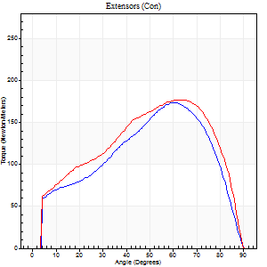
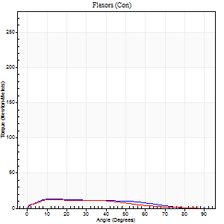
Use File, Preference to set Report Heading
Long Form Torque vs. Position Report - Knee Extension/Flexion
Name: |  |  |  | Deltager_10, | ID: | Deltager | Right/Left: | 18.09.2025 18.09.2025

Right Side Curves Left Side Curves
Isokinetic Con/Con |  |  |  | Extensors (Con) |  | Flexors (Con)
Speed 60/60 d/s 3 Reps |  |  |  | Value | Cof Var | %BW | Value | Cof Var | %BW | Ratio

TORQUE PARAMETERS
Peak Torque (Newton-Meters - Best Repetition)
Right |  |  |  | 174 | 0.1 | 271 | 14 | 0.16 | 21 | 8
Left |  |  |  | 178 | 0.02 | 277 | 12 | 0.34 | 18 | 7
Deficit |  |  |  | 2 |  |  | 10
Work per Repetition (Newton-Meters - Best Repetition)
Right |  |  |  | 170 | 0.07 | 265 | 12 | 0.31 | 18 | 7
Left |  |  |  | 198 | 0.03 | 310 | 11 | 0.3 | 18 | 5
Deficit |  |  |  | 14 |  |  | 11
Average Power per Repetition (Watts - Best Repetition)
Right |  |  |  | 106 | 0.07 | 165 | 7 | 0.31 | 11 | 7
Left |  |  |  | 123 | 0.02 | 191 | 7 | 0.35 | 11 | 6
Deficit |  |  |  | 14 |  |  | 0
POSITION PARAMETERS
Joint Angle at Peak Torque (Degrees)
Right |  |  |  | 57 | 0.07 |  | 14 | 0.01
Left |  |  |  | 61 | 0.02 |  | 20 | 0.83
Range of Motion (Degrees)
Right |  |  |  | 0 | 0 |  | 90 | 0
Left |  |  |  | 0 | -0.47 |  | 90 | 0
TIME PARAMETERS
Time to Peak Torque (Seconds)
Right |  |  |  | 0.53 | 0.04 |  | 0.3 | 0.1
Left |  |  |  | 0.53 | 0.03 |  | 0.44 | 0.66
Time Peak Torque Held (Seconds)
Right |  |  |  | 0.04 | 0.16 |  | 0.02 | 1.73
Left |  |  |  | 0.06 | 0.64 |  | 0 | 0
Force Decay Time (Seconds)
Right |  |  |  | 0.98 | 0.08 |  | 1.41 | 0.07
Left |  |  |  | 1 | 0.05 |  | 1.26 | 0.31
Reciprocal Delay (Seconds)
Right |  |  |  | 0.29 | 0.05 |  | 0.68 | 0.23
Left |  |  |  | 0.22 | 0.43 |  | 0.5 | 0.2
Delay Time (Seconds)
Right |  |  |  | -0.02 | -0.71 |  | -0.01 | -1.56
Left |  |  |  | -0.01 | -1.41 |  | -0.05 | -0.33
HUMAC2015® Version: 15.000.0074 © Computer Sports Medicine, Inc. www.csmisolutions.com

Use File, Preference to set Report Heading
Long Form Torque vs. Position Report - Knee Extension/Flexion
Name: |  |  |  | Deltager_10, | ID: | Deltager | Right/Left: | 18.09.2025 18.09.2025

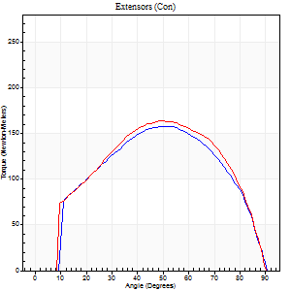
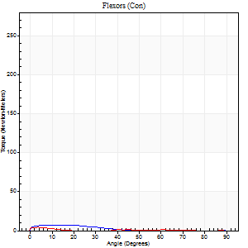
Right Side Curves Left Side Curves
Isokinetic Con/Con |  |  |  | Extensors (Con) |  | Flexors (Con)
Speed 120/120 d/s 3 Reps |  |  |  | Value | Cof Var | %BW | Value | Cof Var | %BW | Ratio

TORQUE PARAMETERS
Peak Torque (Newton-Meters - Best Repetition)
Right |  |  |  | 159 | 0.03 | 247 | 7 | 0.26 | 12 | 4
Left |  |  |  | 164 | 0.03 | 256 | 4 | 0.1 | 6 | 2
Deficit |  |  |  | 3 |  |  | 40
Work per Repetition (Newton-Meters - Best Repetition)
Right |  |  |  | 170 | 0.05 | 265 | 4 | 0.36 | 6 | 2
Left |  |  |  | 174 | 0.03 | 271 | 1 | 0.08 | 3 | 1
Deficit |  |  |  | 2 |  |  | 67
Average Power per Repetition (Watts - Best Repetition)
Right |  |  |  | 192 | 0.05 | 299 | 3 | 0.5 | 4 | 2
Left |  |  |  | 197 | 0.04 | 308 | 1 | 0.23 | 2 | 1
Deficit |  |  |  | 3 |  |  | 67
POSITION PARAMETERS
Joint Angle at Peak Torque (Degrees)
Right |  |  |  | 51 | 0.1 |  | 12 | 0.58
Left |  |  |  | 52 | 0.07 |  | 3 | 0.28
Range of Motion (Degrees)
Right |  |  |  | 0 | 1.41 |  | 90 | 0
Left |  |  |  | 0 | -1.41 |  | 90 | 0
TIME PARAMETERS
Time to Peak Torque (Seconds)
Right |  |  |  | 0.39 | 0.07 |  | 0.26 | 0.25
Left |  |  |  | 0.37 | 0 |  | 0.19 | 0.05
Time Peak Torque Held (Seconds)
Right |  |  |  | 0.03 | 0.17 |  | 0.01 | 1.73
Left |  |  |  | 0.03 | 0.33 |  | 0.01 | 1
Force Decay Time (Seconds)
Right |  |  |  | 0.47 | 0.1 |  | 1.26 | 0.19
Left |  |  |  | 0.49 | 0.04 |  | 1.65 | 0.17
Reciprocal Delay (Seconds)
Right |  |  |  | 0.19 | 0.45 |  | 0.45 | 0.29
Left |  |  |  | 0.17 | 0.13 |  | 0.44 | 0.11
Delay Time (Seconds)
Right |  |  |  | -0.02 | 0 |  | -0.04 | -0.43
Left |  |  |  | -0.01 | 0 |  | -0.08 | -0.27
HUMAC2015® Version: 15.000.0074 © Computer Sports Medicine, Inc. www.csmisolutions.com

Use File, Preference to set Report Heading
Long Form Torque vs. Position Report - Knee Extension/Flexion
Name: |  |  |  | Deltager_10, | ID: | Deltager | Right/Left: | 18.09.2025 18.09.2025

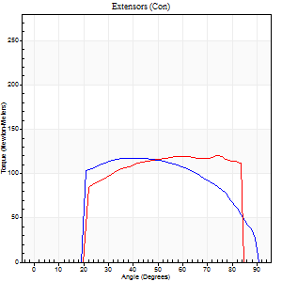
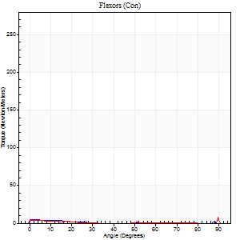
Right Side Curves Left Side Curves
Isokinetic Con/Con |  |  |  | Extensors (Con) |  | Flexors (Con)
Speed 240/240 d/s 3 Reps |  |  |  | Value | Cof Var | %BW | Value | Cof Var | %BW | Ratio

TORQUE PARAMETERS
Peak Torque (Newton-Meters - Best Repetition)
Right |  |  |  | 117 | 0.04 | 182 | 5 | 0.19 | 9 | 5
Left |  |  |  | 121 | 0.05 | 188 | 9 | 0.52 | 15 | 8
Deficit |  |  |  | 3 |  |  | 43
Work per Repetition (Newton-Meters - Best Repetition)
Right |  |  |  | 119 | 0.04 | 185 | 1 | 0.02 | 3 | 1
Left |  |  |  | 123 | 0.05 | 194 | 1 | 0.18 | 3 | 1
Deficit |  |  |  | 3 |  |  | 0
Average Power per Repetition (Watts - Best Repetition)
Right |  |  |  | 207 | 0.07 | 323 | 1 | 0.01 | 2 | 0
Left |  |  |  | 238 | 0.09 | 371 | 1 | 0.41 | 2 | 0
Deficit |  |  |  | 13 |  |  | 0
POSITION PARAMETERS
Joint Angle at Peak Torque (Degrees)
Right |  |  |  | 45 | 0.06 |  | 4 | 0.32
Left |  |  |  | 57 | 0.26 |  | 31 | 1.68
Range of Motion (Degrees)
Right |  |  |  | 0 | -0.28 |  | 90 | 0
Left |  |  |  | 0 | -0.2 |  | 88 | 0.04
TIME PARAMETERS
Time to Peak Torque (Seconds)
Right |  |  |  | 0.27 | 0.16 |  | 0.23 | 0.37
Left |  |  |  | 0.23 | 0.03 |  | 0.6 | 1.41
Time Peak Torque Held (Seconds)
Right |  |  |  | 0.03 | 0.35 |  | 0 | 1.73
Left |  |  |  | 0.04 | 1.03 |  | 0.02 | 1.25
Force Decay Time (Seconds)
Right |  |  |  | 0.27 | 0.08 |  | 1.24 | 0.08
Left |  |  |  | 0.31 | 0.1 |  | 0.91 | 1.03
Reciprocal Delay (Seconds)
Right |  |  |  | 0.14 | 0.24 |  | 0.53 | 0.2
Left |  |  |  | 0.09 | 0.67 |  | 0.58 | 0.37
Delay Time (Seconds)
Right |  |  |  | -0.04 | -0.71 |  | -0.07 | -0.21
Left |  |  |  | -0.01 | -0.47 |  | -0.06 | 0
HUMAC2015® Version: 15.000.0074 © Computer Sports Medicine, Inc. www.csmisolutions.com

Use File, Preference to set Report Heading
Isometric - Knee Extension/Flexion
Name: |  |  |  | Deltager_10, | ID: | Deltager | Right/Left: | 18.09.2025 18.09.2025

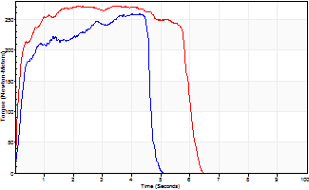
Isometric Extensors (Con) Angle 60 Time 10 Repetition 2 (Best Repetition)
 | Value | Cof Var | %BW
Peak Torque (Newton-Meters)
Right | 259 | 0.04 | 402
Left | 273 | 0.02 | 426
Deficit | 5
Average Torque (Newton-Meters)
Right | 114 | 0.08 | 179
Left | 151 | 0.19 | 235
Deficit | 24
Peak Torque Slope (Newton-Meters/Seconds)
Right | 99 | 0.3 | 154
Left | 121 | 0.31 | 189 |  | Right Side Curves Left Side Curves
Deficit | 18
Time to Half Peak Torque (Seconds)
Right | 0.23 | 0.09
Left | 0.19 | 0.47
Time to Peak Torque (Seconds)
Right | 3.22 | 0.34
Left | 2.83 | 0.33
HUMAC2015® Version: 15.000.0074 © Computer Sports Medicine, Inc. www.csmisolutions.com

